Tapered Roller Bearings
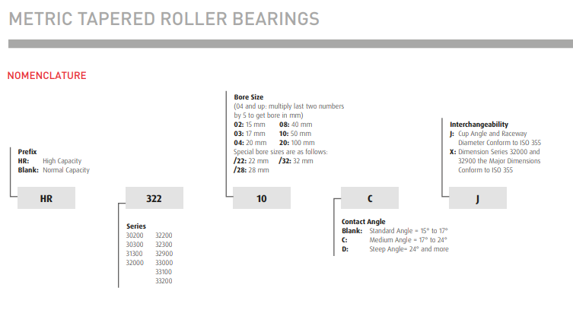
Tapered Roller Bearings | Return to Contents
Over-the-Counter Identification Guide
Audience: New counter staff / inside sales
Purpose: Correctly identify tapered roller bearings and avoid the most common hub and axle mistakes.
1. What Is a Tapered Roller Bearing? (Plain Language)
A tapered roller bearing uses cone-shaped rollers that can handle heavy radial load AND heavy thrust (side) load.
If the bearing came from a wheel hub, axle, or gearbox and the rollers are tapered → it’s a tapered roller bearing.
2. Immediate Visual ID (5-Second Check)
You are likely looking at a tapered roller bearing if:
Rollers are cone-shaped, not straight
The bearing comes apart into two pieces:
Cone (inner ring + rollers)
Cup (outer ring)
Rollers are angled toward a point
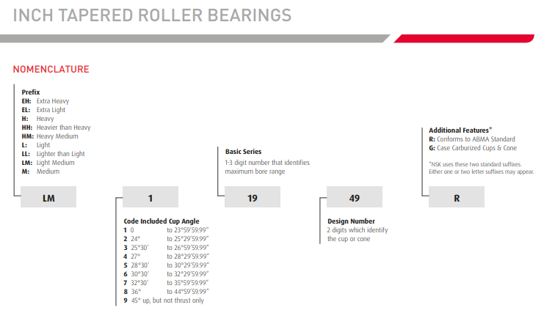
⚠️ If the bearing is one solid unit → not tapered.
3. Why They Are Used (Important for ID)
Tapered rollers are chosen because they:
Carry very high loads
Handle axial (thrust) forces
Can be adjusted with preload
Common applications:
Wheel hubs
Axles
Differentials
Heavy industrial gearboxes
4. MOST IMPORTANT COUNTER RULE
Never sell just “a bearing” — sell the SET
Tapered roller bearings almost always:
Work in pairs
Require matching cone and cup
Are adjusted together
🛑 Selling only one half without confirming the other causes failure.
5. Key Measurements (Do Not Skip)
You must identify both parts:
Cone (inner bearing):
Bore (ID)
Width
Cup (outer race):
Outside diameter (OD)
Width
⚠️ Cones and cups must match the same series.
6. 30-Second Counter Questions (Tapered-Specific)
Ask these, not generic bearing questions:
Is this from a wheel hub or axle?
Did it come out in two pieces?
Are you replacing both bearings on that side?
Was there a preload or adjustment nut?
Automotive, agricultural, or industrial?
7. Common Customer Language → What It Means
“Wheel bearing” → Tapered roller
“Hub bearing” → Tapered roller (older designs)
“Cone and race” → Tapered roller
“It loosened up” → Preload lost or bearing worn
8. Common Mistakes to Avoid
❌ Mixing cones and cups from different manufacturers or series
❌ Replacing only one bearing in a hub
❌ Ignoring preload/adjustment requirements
❌ Substituting with ball bearings
9. Preload & Adjustment (OTC Awareness)
Counter staff don’t set preload, but must know:
Tapered rollers require adjustment
Incorrect preload causes:
Overheating
Early failure
Wheel play
If the customer asks about “tightness” → tapered rollers are involved.
10. When to Escalate
Escalate if:
High-speed automotive hubs
Heavy off-road or agricultural equipment
Repeated bearing failures
Uncertain preload or torque specs
11. Final Counter Confidence Check
Before selling, confirm:
✔ Tapered rollers
✔ Matching cone & cup
✔ Correct ID / OD / width
✔ Bearing pair logic confirmed
If all four are yes → you’re good.

